FD
 |  |  |  |  |  | ahli |  |  |  | sistem |  |  |  | true positive |  |  |  | false positive |  |  |  | false negative |  |  |  | tp | fp | fn | recall | precision | f1 | accuracy | name |  |  |  |  |  |  | job |  |  |  |  |  |  | org |  |  |  |  |  |  | goals
kode | asri | asri 2 | nazla | nazla dan asri | sistem | name | job | org | goals | name | job | org | goals | name | job | org | goals | name | job | org | goals | name | job | org | goals |  |  |  |  |  |  |  | tp | fp | fn | recall | precision | f1 | accuracy | tp | fp | fn | recall | precision | f1 | accuracy | tp | fp | fn | recall | precision | f1 | accuracy | tp | fp | fn | recall | precision | f1 | accuracy
FD1 | Name 1. Deliveroo 2. The Pearl-Qatar and West Bay 3. Keshav Jayant 4. Will Shu Job 1. Country Manager, Keshav Jayant 2. Founder and CEO of Deliveroo, Will Shu Org 1. Deliveroo Goals 1. Giving access choices* 2. Offering free delivery 3. Become definitive company 4. Use multiple payment 5. Helping restaurant grow 6. Reach new customers 7. Developing world-leading technology 8. Increased choice customers* 9. Bring unique service 10. Offer consumers selection 11. Supporting restaurant partners 12. Ensure people access 13. Ordering favorite food 14. Discovering new restaurants Recommendation: 1. Leading global delivery 2. Helps local brands | Name 1. Deliveroo 2. The Pearl-Qatar and West Bay 3. Keshav Jayant 4. Will Shu Job 1. Country Manager, Keshav Jayant 2. Founder and CEO of Deliveroo, Will Shu Org 1. Deliveroo, Keshav Jayant + Will Shu Goals 1. Offering free delivery 2. Help local brands 3. Use multiple payment 4. Helping restaurant grow 5. Tip their riders 6. Reach new customers 7. Leading global delivery 8. Discovering new restaurants | Name 1. Keshav Jayant 2. Will Shu Job 1. Country manager, Keshav Jayant 2. Founder and CEO, Will Shu Org 1. Deliveroo, Keshav Jayant + Will Shu Goals 1. giving access to a diverse range of local and international restaurant choices, Deliveroo 2. Become the definitive online food company, Deliveroo 3. Helps local brands’ businesses grow and will support Qatar’s growing F&B industry, Deliveroo 4. Use multiple payment 5. Reach new customers 6. Provided with the best food delivery experience in the city, Keshav Jayant 7. Being the definitive food company, Deliveroo 8. Bring our unique service to the market, Deliveroo 9. To ensure that people have access to the best price, selection and service, Deliveroo 10. Discovering new restaurants Recommendation: 1. Offering free delivery 2. Leading global delivery 3. Helping restaurant grow | Name 1. Keshav Jayant 2. Will Shu Job 1. Country manager, Keshav Jayant 2. Founder and CEO, Will Shu Org 1. Deliveroo, Keshav Jayant + Will Shu Goals 1. giving access to a diverse range of local and international restaurant choices, Deliveroo 2. Become the definitive online food company, Deliveroo 3. Helps local brands’ businesses grow and will support Qatar’s growing F&B industry, Deliveroo 4. Use multiple payment 5. Reach new customers 6. Bring our unique service to the market, Deliveroo 7. Discovering new restaurants 8. Offering free delivery 9. Leading global delivery 10. Helping restaurant grow 11.ordering favorite food 12.provided best food 13.access best price | names': ['Apple Pay', 'Crab Pot Seafood', 'Deliveroo', 'Keshav Jayant', 'Qatar India', 'Shake Shack', 'Will Shu'], 'jobs': ['Founder', 'Manager'], 'works': ['Caribou', 'Costa Coffee', 'Credit/Debit Cards', 'Deliveroo', 'Deliveroo Qatar'], 'goals': ['ordering favourite food', 'use multiple payment', 'loved global restaurants', 'access best price', 'leading global delivery', 'ordering favorite food', 'discovering new restaurants', 'grow innovate food', 'reach new customers', 'providing wider range', 'use extensive experience', 'provided best food', 'helps local brands', 'offering free delivery', 'Support local restaurants', 'ensuring best delivery', 'bring unique service'], 'jumlah_nama': 7, 'jumlah_job': 2, 'jumlah_work': 5, 'jumlah_goals': 17 | 2 | 2 | 1 | 13 | 7 | 2 | 5 | 17 | 2 | 2 | 1 | 11 | 5 | 0 | 4 | 6 | 0 | 0 | 0 | 2 | 16 | 15 | 2 | 0.88888888889 | 0.51612903226 | 0.65306122449 | 0.48484848485 | 2 | 5 | 0 | 1 | 0.286 | 0.444 | 0.286 | 2 | 0 | 0 | 1 | 1 | 1 | 1 | 1 | 4 | 2 | 0.33333333333 | 0.2 | 0.25 | 0.14285714286 | 11 | 6 | 2 | 0.84615384615 | 0.64705882353 | 0.73333333333 | 0.57894736842 | 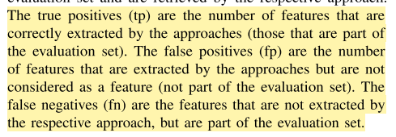
FD2 | Name 1. Easypasia 2. Blink 3. Omar Moeen Malik 4. Syed Sair Ali Job 1. Business Head – Easypaisa, Omar Moeen Malik 2. CEO Blink, Syed Sair Ali Org 1. Pakistan’s leading digital-first payments platform 2. Blink 3. The Burger Lab mini app Goals 1. Offers food services 2. Provide Easypaisa users 3. Make secure payments 4. Provide users access 5. Provides solution catering 6. Enjoy exclusive discounts 7. Revolutionizing digital payments 8. Celebrate landmark collaboration 9. Providing one-stop solution 10. Getting direct orders 11. Connecting Blink’s partner Recommendation: Access multiple food | Name 1. Easypasia 2. Blink 3. Omar Moeen Malik 4. Syed Sair Ali Job 1. Business Head – Easypaisa, Omar Moeen Malik 2. CEO Blink, Syed Sair Ali Org 1. Pakistan’s leading digital-first payments platform 2. Easypasia, Omar Moeen Malik 3. Blink, Syed Sair 4. The Burger Lab mini app Goals 1. Access multiple food 2. Enjoy exclusive discounts | Name 1. Omar Moeen Malik 2. Syed Sair Job 1. Business Head, Omar Moeen Malik 2. CEO, Syed Sair Org 1. Easypaisa, Omar Moeen Malik 2. Blink, Syed Sair Goals 1. Access multiple food apps, Easypaisa 2. Make secure digital payments, Easypaisa 3. Revolutionizing the digital payments landscape of Pakistan, Easypaisa + Blink 4. Get access to various food apps, Easypaisa + Blink 5. Gain access to various food options, Easypaisa + Blink 6. Provide an unmatched user experience, Easypaisa + Blink 7. Getting more direct orders, Easypaisa + Blink Recommendation: Enjoy exclusive discount | Name 1. Omar Moeen Malik 2. Syed Sair Job 1. Business Head, Omar Moeen Malik 2. CEO, Syed Sair Org 1. Easypaisa, Omar Moeen Malik 2. Blink, Syed Sair Goals 1. Access multiple food apps, Easypaisa 2. Make secure digital payments, Easypaisa 3. Revolutionizing the digital payments landscape of Pakistan, Easypaisa + Blink 4. Getting more direct orders, Easypaisa + Blink 5. Enjoy exclusive discount | names': ['Blink', 'Easypaisa', 'Easypaisa Launch', 'Easypaisa app month', 'Omar Moeen Malik', 'Pakistanis', 'Syed Sair Ali'], 'jobs': ['Head'], 'works': ['Easypaisa', 'Omar Moeen Malik'], 'goals': ['secure digital payments', 'revolutionizing digital payments', 'offers strong customer', 'operates Open APIs', 'getting direct orders', 'enjoy exclusive discounts', 'catering multiple lifestyle'], 'jumlah_nama': 7, 'jumlah_job': 1, 'jumlah_work': 2, 'jumlah_goals': 7 | 2 | 2 | 2 | 5 | 7 | 1 | 2 | 7 | 2 | 1 | 1 | 4 | 5 | 0 | 1 | 3 | 0 | 1 | 1 | 1 | 8 | 9 | 3 | 0.72727272727 | 0.47058823529 | 0.57142857143 | 0.4 | 2 | 5 | 0 | 1 | 0.286 | 0.444 | 0.286 | 1 | 0 | 1 | 0.5 | 1 | 0.66666666667 | 0.5 | 1 | 1 | 1 | 0.5 | 0.5 | 0.5 | 0.33333333333 | 4 | 3 | 1 | 0.8 | 0.57142857143 | 0.66666666667 | 0.5
FD3 | Name 1. DoorDash 2. Grubhub 3. PYMNTS 4. Christopher Payne 5. Jordan Boesch Job 1. President and chief operating officer at DoorDash, Christopher Payne 2. Founder and CEO of 7shifts, Jordan Boesch Org 1. Food delivery leader 2. DoorDash 3. Healthcare marketplace Sesame 4. Breathing exercises app Breathwrk 5. 7shifts 6. Education programs 7. Uber Eats 8. PYMNTS Goals 1. Easing burden SMBs 2. Provide affordable benefits 3. Help improve efficiency 4. Expand access platform 5. Offering new self-service 6. Integrate popular POS 7. Add delivery-only brands 8. Prove value restaurants 9. Meet merchants’ needs | Name 1. DoorDash 2. Grubhub 3. PYMNTS 4. Christopher Payne 5. Jordan Boesch 6. Marnie Boyer Job 1. President and chief operating officer at DoorDash, Christopher Payne 2. Founder and CEO of 7shifts, Jordan Boesch 3. Vice President, Marnie Boyer Org 1. Food delivery leader 2. DoorDash, Christopher Payne 3. Healthcare marketplace Sesame 4. Breathing exercises app Breathwrk 5. 7shifts, Jordan Boesch 6. Education programs 7. Uber Eats 8. PYMNTS 9. Grubhub, Marnie Boyer Goals 1. Provide affordable benefits 2. Offering new self-service | Name 1. Christopher Payne 2. Jordan Boesch 3. Marnie Boyer Job 1. President and Chief Operating Officer, Christopher Payne 2. Founder and CEO, Jordan Boesch 3. Vice President, Marnie Boyer Org 1. DoorDash, Christopher Payne 2. Sesame 3. Breathwrk 4. 7shifts, Jordan Boesch 5. Uber Eats 6. Grubhub, Marnie Boyer Goals 1. Easing the burden on small and mid-sized businesses, DoorDash 2. Provide affordable benefits, DoorDash 3. Improve efficiency and expand access to our team management platform, 7shifts 4. Simplifying the process, Uber Eats 5. Prove their value, DoorDash Recommendation: Offering new self-service | Name 1. Christopher Payne 2. Jordan Boesch 3. Marnie Boyer Job 1. President and Chief Operating Officer, Christopher Payne 2. Founder and CEO, Jordan Boesch 3. Vice President, Marnie Boyer Org 1. DoorDash, Christopher Payne 2. Breathwrk 3. 7shifts, Jordan Boesch 4. Uber Eats 5. Grubhub, Marnie Boyer Goals 1. Provide affordable benefits, DoorDash 2.Offering new self-service | names': ['Breathwrk', 'Christopher Payne', 'DoorDash', 'Grubhub', 'Jordan Boesch', 'Marnie Boyer', 'Merchant Benefits', 'PYMNTS’ 2022 Restaurant Friction Index', 'SMBs', 'Toast Clover', 'Uber Eats'], 'jobs': ['founder', 'president'], 'works': ['DoorDash', 'Grubhub'], 'goals': ['provide affordable benefits', 'concepts popular restaurant', 'announced earlier fall', 'offering new self', 'integrate popular point', 'reopen unable staff', 'end loyal aggregator', 'promising meet merchants', 'promise additional revenue', 'Given vast network', 'face steep surcharge'], 'jumlah_nama': 11, 'jumlah_job': 2, 'jumlah_work': 2, 'jumlah_goals': 11 | 3 | 3 | 5 | 2 | 11 | 2 | 2 | 11 | 3 | 2 | 2 | 2 | 8 | 0 | 0 | 9 | 0 | 1 | 3 | 0 | 9 | 17 | 4 | 0.69230769231 | 0.34615384615 | 0.46153846154 | 0.3 | 3 | 8 | 0 | 1 | 0.273 | 0.429 | 0.273 | 2 | 0 | 1 | 0.66666666667 | 1 | 0.8 | 0.66666666667 | 2 | 0 | 0 | 1 | 1 | 1 | 1 | 2 | 9 | 0 | 1 | 0.18181818182 | 0.30769230769 | 0.18181818182
FD4 | Name 1. DoorDash 2. Grubhub 3. Uber Eats 4. Domino’s 5. Ruth Isenstadt 6. Stratis Morfogen Job 1. Senior director of DoorDash Kitchen, Ruth Isenstadt Org 1. Yum and Wendy’s 2. Grubhub, DoorDash and Uber Eats 3. Black & Mobile 4. DoorDash’s food hall-esque Brooklyn commissary kitchen 5. Brooklyn Dumpling Shop 6. Portillo’s tech Goals 1. Creating technology platforms 2. Boast exclusive partnerships 3. Keep up customer demand 4. Expanding their toolbox 5. Reported new features 6. Offering delivery around 7. Supporting restaurant partners 8. Provide end-to-end technology 9. Allow partners grow 10. Support restaurant partners 11. Expand portfolio capabilities 12. Keep up on-demand crowd Recommendation 1. Developing digital technologies 2. Finding new ways to expand 3. Operating virtual food | Name 1. DoorDash 2. Grubhub 3. Uber Eats 4. Domino’s 5. Ruth Isenstadt 6. Stratis Morfogen Job 1. Senior director of DoorDash Kitchen, Ruth Isenstadt Org 1. Yum and Wendy’s 2. Grubhub, DoorDash and Uber Eats 3. Black & Mobile 4. Brooklyn Dumpling Shop 5. Portillo’s tech 6. DoorDash, Ruth Isenstadt Goals 1. Boast exclusive partnerships 2. Developing digital technologies 3. Finding new ways 4. Operating virtual food | Name 1. Ruth Isenstadt Job 1. Senior Director, Ruth Isenstadt Org 1. DoorDash, Ruth Isenstadt 2. Grubhub 3. Uber Eats Goals 1. expanding more into tech solutions and operations 2. Boast exclusive partnerships, restaurant chain 3. Keep up with consumer demand, restaurant chain 4. provide the best end-to-end technology, DoorDash 5. operating virtual food halls 6. finding new ways to expand recommendation: developing digital technologies | Name 1. Ruth Isenstadt Job 1. Senior Director, Ruth Isenstadt Org 1. DoorDash, Ruth Isenstadt 2. Grubhub 3. Uber Eats Goals 1. Boast exclusive partnerships, restaurant chain 2. operating virtual food halls 3. finding new ways to expand 4.developing digital technologies 5.provide best end | names': ['Black & Mobile', 'Domino', 'DoorDash Kitchens', 'DoorDash Kitchens Project', 'Grubhub', 'Loco Co-Op', 'Portillo', 'Ruth Isenstadt', 'Uber', 'Uber Eats', 'Yum'], 'jobs': ['director'], 'works': ['Black & Mobile', 'DIY', 'DoorDash', 'Wendy’s'], 'goals': ['scroll endless list', 'cost current labor', 'opened hybrid ghost', 'boast exclusive partnerships', 'developing digital technologies', 'finding new ways', 'operating virtual food', 'provide best end', 'rely external vendors', 'reported new features', 'ordering tiered pricing'], 'jumlah_nama': 11, 'jumlah_job': 1, 'jumlah_work': 4, 'jumlah_goals': 11} | 1 | 1 | 3 | 5 | 11 | 1 | 4 | 11 | 1 | 1 | 1 | 5 | 10 | 0 | 3 | 6 | 0 | 0 | 2 | 0 | 8 | 19 | 2 | 0.8 | 0.2962962963 | 0.43243243243 | 0.27586206897 | 1 | 10 | 0 | 1 | 0.091 | 0.167 | 0.091 | 1 | 0 | 0 | 1 | 1 | 1 | 1 | 1 | 3 | 0 | 1 | 0.25 | 0.4 | 0.25 | 5 | 6 | 0 | 1 | 0.45454545455 | 0.625 | 0.45454545455
 |  |  |  |  |  |  |  |  |  |  |  |  |  |  |  |  |  |  |  |  |  |  |  |  |  |  |  |  | 0.77711732712 | 0.4072918525 | 0.52961517247 | 0.36517763845 |  |  |  | 1.000 | 0.234 | 0.371 | 0.234 |  |  |  | 0.792 | 1.000 | 0.867 | 0.792 |  |  |  | 0.708 | 0.488 | 0.538 | 0.432 |  |  |  | 0.912 | 0.464 | 0.583 | 0.429

graphs
Rata-rata Performa
 | performance
Kode | recall | precision | f1 | accuracy
CB1 | 0.72 | 0.486 | 0.581 | 0.409
CB2 | 0.393 | 0.19 | 0.256 | 0.147
CB3 | 0.909 | 0.5 | 0.645 | 0.476
CB4 | 0.727 | 0.444 | 0.552 | 0.381
FD1 | 0.889 | 0.516 | 0.653 | 0.485
FD2 | 0.727 | 0.471 | 0.571 | 0.4
FD3 | 0.692 | 0.346 | 0.462 | 0.3
FD4 | 0.8 | 0.296 | 0.432 | 0.276
MP1 | 0.684 | 0.565 | 0.619 | 0.448
MP2 | 0.75 | 0.429 | 0.545 | 0.375
MP3 | 0.7 | 0.412 | 0.519 | 0.35
MP4 | 0.727 | 0.267 | 0.39 | 0.242
SC1 | 0.667 | 0.435 | 0.526 | 0.357
SC2 | 0.579 | 0.458 | 0.512 | 0.344
SC3 | 0.571 | 0.381 | 0.457 | 0.296
SC4 | 0.656 | 0.42 | 0.512 | 0.344
SH1 | 0.75 | 0.429 | 0.545 | 0.375
SH2 | 0.714 | 0.339 | 0.46 | 0.299
SH3 | 0.64 | 0.327 | 0.432 | 0.276
SH4 | 0.698 | 0.33 | 0.448 | 0.288
Rata-rata | 0.7 | 0.402 | 0.506 | 0.343

Topik | Recall | Precision | F1 | Accuracy
CB | 0.687 | 0.405 | 0.508 | 0.353
FD | 0.777 | 0.407 | 0.53 | 0.777
MP | 0.715 | 0.418 | 0.518 | 0.354
SC | 0.618 | 0.424 | 0.502 | 0.335
SH | 0.701 | 0.356 | 0.471 | 0.31

Kode | Nama |  |  | Pekerjaan |  |  | Tempat Kerja |  |  | Tujuan
 | recall | precision | f1 | recall | precision | f1 | recall | precision | f1 | recall | precision | f1
CB1 | 0.6 | 0.231 | 0.333 | 0.5 | 0.4 | 0.444 | 0.4 | 0.4 | 0.4 | 0.786 | 0.786 | 0.786
CB2 | 0.714 | 0.208 | 0.323 | 0.167 | 0.333 | 0.222 | 0.1 | 0.2 | 0.133 | 0.308 | 0.154 | 0.205
CB3 | 1 | 0.3 | 0.462 | 1 | 1 | 1 | 0.667 | 0.5 | 0.571 | 0.75 | 0.75 | 0.75
Rata-rata Performa berdasarkan Aspek User Persona
CB4 | 1 | 0.167 | 0.286 | 1 | 0.333 | 0.5 | 0 | 0 | 0 | 0.75 | 0.857 | 0.8
FD1 | 1 | 0.286 | 0.444 | 1 | 1 | 1 | 0.333 | 0.2 | 0.25 | 0.846 | 0.647 | 0.733
FD2 | 1 | 0.286 | 0.444 | 0.5 | 1 | 0.667 | 0.5 | 0.5 | 0.5 | 0.8 | 0.571 | 0.667
FD3 | 1 | 0.273 | 0.429 | 0.667 | 1 | 0.8 | 1 | 1 | 1 | 1 | 0.182 | 0.308
FD4 | 1 | 0.091 | 0.167 | 1 | 1 | 1 | 1 | 0.25 | 0.4 | 1 | 0.455 | 0.625
MP1 | 1 | 0.625 | 0.769 | 0.25 | 1 | 0.4 | 0.333 | 0.333 | 0.333 | 0.75 | 0.545 | 0.632
MP2 | 1 | 0.143 | 0.25 | 1 | 0.5 | 0.667 | 0.25 | 0.5 | 0.333 | 0.667 | 0.6 | 0.632
MP3 | 1 | 0.167 | 0.286 | 1 | 0.5 | 0.667 | 0 | 0 | 0 | 0.714 | 0.714 | 0.714
MP4 | 1 | 0.091 | 0.167 | 1 | 0.667 | 0.8 | 0 | 0 | 0 | 0.714 | 0.357 | 0.476
SC1 | 0.75 | 0.333 | 0.462 | 0.75 | 0.75 | 0.75 | 0.333 | 0.333 | 0.333 | 0.6 | 0.429 | 0.5
SC2 | 0.5 | 0.5 | 0.5 | 0 | 0 | 0 | 0 | 0 | 0 | 0.778 | 0.538 | 0.636
SC3 | 1 | 0.222 | 0.364 | 0.5 | 1 | 0.667 | 0 | 0 | 0 | 0.714 | 0.5 | 0.588
SC4 | 1 | 0.2 | 0.333 | 0.333 | 0.5 | 0.4 | 0.286 | 0.5 | 0.364 | 0.75 | 0.517 | 0.612
SH1 | 1 | 0.167 | 0.286 | 0 | 0 | 0 | 0.333 | 0.5 | 0.4 | 0.833 | 0.526 | 0.645
SH2 | 0.5 | 0.043 | 0.08 | 0.5 | 0.5 | 0.5 | 0.5 | 0.5 | 0.5 | 0.889 | 0.533 | 0.667
SH3 | 1 | 0.111 | 0.2 | 0.5 | 1 | 0.667 | 0.667 | 0.286 | 0.4 | 0.917 | 0.478 | 0.629
SH4 | 0.833 | 0.135 | 0.233 | 0 | 0 | 0 | 0.4 | 0.364 | 0.381 | 0.778 | 0.512 | 0.618

Aspek | Recall | Precision | F1 | Accuracy
Name | 0.895 | 0.229 | 0.341 | 0.216
Job | 0.583 | 0.624 | 0.558 | 0.451
Workplace | 0.355 | 0.318 | 0.315 | 0.217
Goals | 0.767 | 0.533 | 0.611 | 0.454

Aspek | Kode | Recall | Precision | F1 | Accuracy
Name | FD | 1 | 0.234 | 0.371 | 0.234
 | MP | 1 | 0.256 | 0.368 | 0.256
 | CB | 0.829 | 0.226 | 0.351 | 0.215
 | SH | 0.833 | 0.114 | 0.199 | 0.113
 | SC | 0.813 | 0.314 | 0.415 | 0.264
Job | FD | 0.792 | 1 | 0.867 | 0.792
 | MP | 0.813 | 0.667 | 0.633 | 0.479
 | CB | 0.67 | 0.52 | 0.54 | 0.44
 | SH | 0.25 | 0.38 | 0.29 | 0.21
 | SC | 0.396 | 0.56 | 0.45 | 0.34
Workplace | FD | 0.708 | 0.488 | 0.538 | 0.432
 | MP | 0.146 | 0.208 | 0.167 | 0.1
 | CB | 0.292 | 0.275 | 0.276 | 0.181
 | SH | 0.475 | 0.412 | 0.42 | 0.267
 | SC | 0.155 | 0.208 | 0.174 | 0.106
Goals | FD | 0.912 | 0.464 | 0.583 | 0.429
 | MP | 0.711 | 0.554 | 0.613 | 0.448
 | CB | 0.648 | 0.637 | 0.635 | 0.507
 | SH | 0.854 | 0.513 | 0.64 | 0.47
 | SC | 0.711 | 0.496 | 0.584 | 0.415

feedback
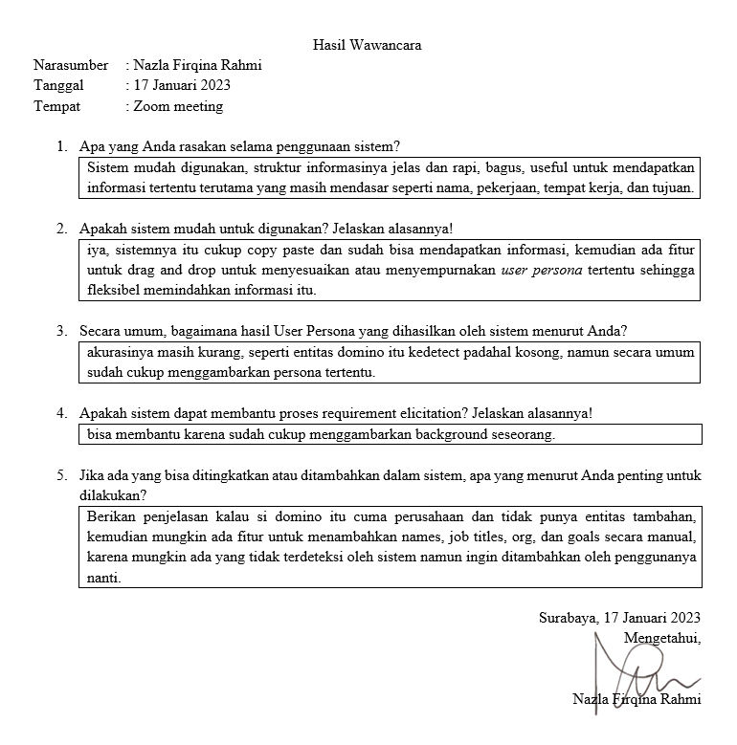
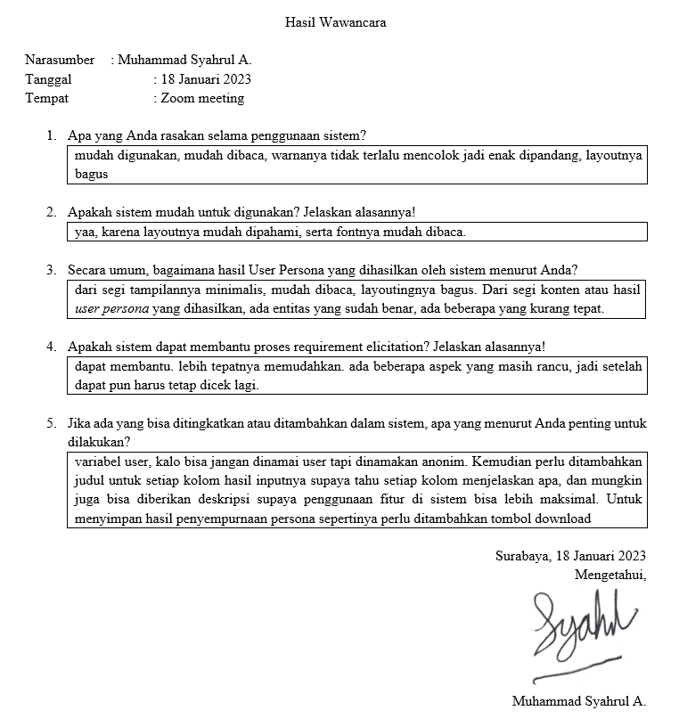
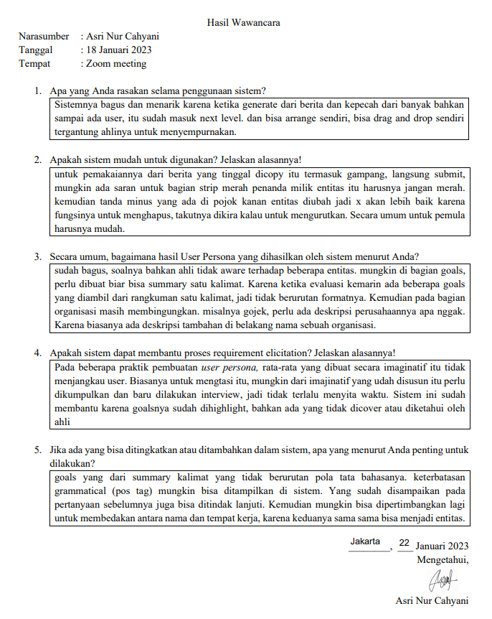
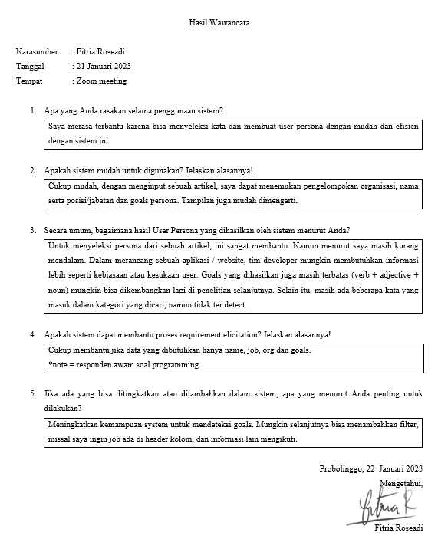
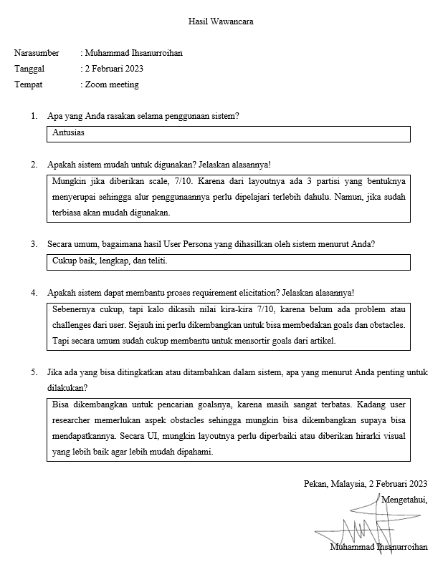

Pertanyaan | 1 | 2 | 3 | 4 | 5
Apa yang anda rasakan selama penggunaan sistem | 1. mudah digunakan 2. strukturnya jelas dan rapi | 1. mudah digunakan 2. mudah dibaca 3. layoutnya bagus | bagus dan menarik | membantu dalam pembuatan user persona | antusias
apakah sistem mudah digunakan | iya | iya | iya | iya | perlu penyesuaian
bagaimana hasil user persona yang dihasilkan | secara umum cukup menggambarkan, tapi akurasinya masih kurang | beberapa entitas sudah benar tapi beberapa masih kurang tepat | sudah bagus, tapi ada beberapa hal yang bisa diperbaiki | membantu tapi kurang mendalam, kurang kebiasaan atau kesukaan dan goalsnya masih terbatas | cukup baik, lengkap, teliti
apakah sistem dapat membantu requirement elicitation | sudah cukup | lebih memudahkan | sudah | sudah cukup | cukup membantu
apa yang perlu ditambahkan | 1. penjelasan jenis entitas 2. fitur untuk menambahkan aspek secara manual | 1. penamaan entitas default user sebaiknya diganti menjadi anonim 2. perbaikan desain antarmuka | 1. grammatical atau pola POS tag untuk mencari tujuan 2. membedakan entitas nama dan tempat kerja | 1. kemampuan mendeteksi goals 2. penambahan fitur filter | metode pencarian goals dan pengembangan UI

Timestamp | Nama Ahli | Sistem mudah digunakan | Seberapa mudah sistem digunakan | Hasil user persona yang dihasilkan | Sistem dapat membantu proses requirement elicitation pembuatan user persona | Seberapa membantu sistem terhadap requirement elication pembuatan user persona
2/6/23 | Asri | Setuju | Mudah | Baik | Sangat Setuju | Membantu
2/6/23 | Nazla Firqina | Setuju | Sangat Mudah | Baik | Sangat Setuju | Membantu
2/6/23 | Muhammad Ihsanurroihan | Netral | Mudah | Netral | Netral | Membantu
2/7/23 | M. Syahrul Alifathurrahman | Sangat Setuju | Mudah | Baik | Sangat Setuju | Membantu
2/7/23 | Fitria Roseadi | Setuju | Mudah | Baik | Sangat Setuju | Membantu

 | sistem mudah digunakan | sistem dapat membantu proses requirement elicitation pembuatan user persona
Sangat tidak setuju | 0 | 0 | Strongly disagree
tidak setuju | 0 | 0 | Disagree
Netral | 1 | 1 | Neutral
Setuju | 3 | 0 | Agree
Sangat setuju | 1 | 4 | Strongly agree

 | tingkat kemudahan
sangat sulit | 0 |  | Very hard
sulit | 0 |  | Hard
netral | 0 |  | Neutral
mudah | 4 |  | Easy
sangat mudah | 1 |  | Very Easy

 | hasil user persona yang dihasilkan
sangat buruk | 0 |  | Very bad
buruk | 0 |  | Bad
netral | 1 |  | Neutral
baik | 4 |  | Good
sangat baik | 0 |  | Very good

 | tingkat membantu
sangat tidak membantu | 0 |  | Very unhelpful
tidak membantu | 0 |  | Unhelpful
netral | 0 |  | Neutral
membantu | 5 |  | Helpful
sangat membantu | 0 |  | Very helpful

